pivot1
Country wise suicides

Row Labels | Sum of suicides_no
Albania | 1970
Antigua and Barbuda | 11
Argentina | 82219
Armenia | 1905
Aruba | 101
Australia | 70111
Austria | 50073
Azerbaijan | 1656
Bahamas | 93
Bahrain | 463
Barbados | 177
Belarus | 59892
Belgium | 62761
Belize | 348
Bosnia and Herzegovina | 318
Brazil | 226613
Bulgaria | 36388
Cabo Verde | 42
Canada | 107561
Chile | 40895
Colombia | 53080
Costa Rica | 6792
Croatia | 18429
Cuba | 41418
Cyprus | 412
Czech Republic | 43687
Denmark | 15297
Dominica | 0
Ecuador | 20660
El Salvador | 11683
Estonia | 7034
Fiji | 304
Finland | 33677
France | 329127
Georgia | 3224
Germany | 291262
Greece | 12368
Grenada | 38
Guatemala | 8149
Guyana | 3426
Hungary | 73891
Iceland | 1108
Ireland | 12574
Israel | 11294
Italy | 132060
Jamaica | 184
Japan | 806902
Kazakhstan | 101546
Kiribati | 53
Kuwait | 966
Kyrgyzstan | 13090
Latvia | 12770
Lithuania | 28039
Luxembourg | 1958
Macau | 27
Maldives | 20
Malta | 585
Mauritius | 3894
Mexico | 111139
Mongolia | 423
Montenegro | 472
Netherlands | 50833
New Zealand | 14383
Nicaragua | 2013
Norway | 16992
Oman | 33
Panama | 3483
Paraguay | 4783
Philippines | 21330
Poland | 139098
Portugal | 24061
Puerto Rico | 9043
Qatar | 574
Republic of Korea | 261730
Romania | 72777
Russian Federation | 1209742
Saint Kitts and Nevis | 0
Saint Lucia | 230
Saint Vincent and Grenadines | 124
San Marino | 4
Serbia | 24179
Seychelles | 98
Singapore | 10089
Slovakia | 13437
Slovenia | 10615
South Africa | 7321
Spain | 100202
Sri Lanka | 55641
Suriname | 2166
Sweden | 37795
Switzerland | 26217
Thailand | 110643
Trinidad and Tobago | 4039
Turkey | 10131
Turkmenistan | 8624
Ukraine | 319950
United Arab Emirates | 622
United Kingdom | 136805
United States | 1034013
Uruguay | 13138
Uzbekistan | 34803
Grand Total | 6748420

pivot2
Year wise suicides

Row Labels | Sum of suicides_no
1985 | 116063
1986 | 120670
1987 | 126842
1988 | 121026
1989 | 160244
1990 | 193361
1991 | 198020
1992 | 211473
1993 | 221565
1994 | 232063
1995 | 243544
1996 | 246725
1997 | 240745
1998 | 249591
1999 | 256119
2000 | 255832
2001 | 250652
2002 | 256095
2003 | 256079
2004 | 240861
2005 | 234375
2006 | 233361
2007 | 233408
2008 | 235447
2009 | 243487
2010 | 238702
2011 | 236484
2012 | 230160
2013 | 223199
2014 | 222984
2015 | 203640
2016 | 15603
Grand Total | 6748420

pivot3
Sex wise suicides per 100k population

Row Labels | Sum of suicides/100k pop
Albania | 924.76
female | 318.98
male | 605.78
Antigua and Barbuda | 179.14
female | 15.62
male | 163.52
Argentina | 3894.59
female | 706.05
male | 3188.54
Armenia | 976.21
female | 239.41
male | 736.8
Aruba | 1596.52
female | 276.35
male | 1320.17
Australia | 4677.41
female | 956.6
male | 3720.81
Austria | 9076.23
female | 1971.65
male | 7104.58
Azerbaijan | 356.24
female | 98.35
male | 257.89
Bahamas | 344.28
female | 49.63
male | 294.65
Bahrain | 467.24
female | 109.84
male | 357.4
Barbados | 891.13
female | 140.24
male | 750.89
Belarus | 7831.13
female | 1183.67
male | 6647.46
Belgium | 7900.5
female | 1937.6
male | 5962.9
Belize | 2093.49
female | 244.88
male | 1848.61
Bosnia and Herzegovina | 110.81
female | 22.02
male | 88.79
Brazil | 2174.72
female | 394.84
male | 1779.88
Bulgaria | 7016.08
female | 1755.16
male | 5260.92
Cabo Verde | 133.84
female | 15.92
male | 117.92
Canada | 4338.72
female | 889.69
male | 3449.03
Chile | 3921.64
female | 531.07
male | 3390.57
Colombia | 2009.39
female | 332.78
male | 1676.61
Costa Rica | 2553.72
female | 310.11
male | 2243.61
Croatia | 5982.84
female | 1276.1
male | 4706.74
Cuba | 6111.95
female | 1490.59
male | 4621.36
Cyprus | 586.26
female | 102.79
male | 483.47
Czech Republic | 5952.99
female | 1141.6
male | 4811.39
Denmark | 3721.65
female | 945.19
male | 2776.46
Dominica | 0
female | 0
male | 0
Ecuador | 2345.21
female | 619.06
male | 1726.15
El Salvador | 3035.94
female | 681.14
male | 2354.8
Estonia | 6873.78
female | 1196.6
male | 5677.18
Fiji | 673.86
female | 179.01
male | 494.85
Finland | 7924.11
female | 1582.58
male | 6341.53
France | 7803.25
female | 1773.12
male | 6030.13
Georgia | 1116.38
female | 214.37
male | 902.01
Germany | 4854.69
female | 1142.38
male | 3712.31
Greece | 1512.12
female | 287.41
male | 1224.71
Grenada | 661
female | 87.51
male | 573.49
Guatemala | 1146.7
female | 200.47
male | 946.23
Guyana | 6655.92
female | 1421.16
male | 5234.76
Hungary | 10156.07
female | 2186.07
male | 7970
Iceland | 4889.74
female | 1131.82
male | 3757.92
Ireland | 3881.73
female | 733.63
male | 3148.1
Israel | 3329.97
female | 806.92
male | 2523.05
Italy | 3168.87
female | 651.27
male | 2517.6
Jamaica | 106.44
female | 15.05
male | 91.39
Japan | 8025.23
female | 2546.84
male | 5478.39
Kazakhstan | 9519.52
female | 1717.33
male | 7802.19
Kiribati | 878.51
female | 161.97
male | 716.54
Kuwait | 355.93
female | 154.56
male | 201.37
Kyrgyzstan | 4457.3
female | 928.23
male | 3529.07
Latvia | 7373.35
female | 1227.59
male | 6145.76
Lithuania | 10588.88
female | 1686.52
male | 8902.36
Luxembourg | 6156.56
female | 1455.66
male | 4700.9
Macau | 171.74
female | 76.78
male | 94.96
Maldives | 164.08
female | 119.43
male | 44.65
Malta | 1872.01
female | 323.43
male | 1548.58
Mauritius | 4464.58
female | 1121.92
male | 3342.66
Mexico | 1751.19
female | 231.11
male | 1520.08
Mongolia | 184.39
female | 28.18
male | 156.21
Montenegro | 1194.03
female | 337.54
male | 856.49
Netherlands | 4066.52
female | 1234.09
male | 2832.43
New Zealand | 5008.32
female | 1074.37
male | 3933.95
Nicaragua | 472.82
female | 91.64
male | 381.18
Norway | 4658.76
female | 1176.17
male | 3482.59
Oman | 26.5
female | 0
male | 26.5
Panama | 1744.06
female | 243.31
male | 1500.75
Paraguay | 1366.37
female | 347.25
male | 1019.12
Philippines | 435.83
female | 98.43
male | 337.4
Poland | 4397.62
female | 620.61
male | 3777.01
Portugal | 3673.36
female | 722.03
male | 2951.33
Puerto Rico | 3789.28
female | 343.73
male | 3445.55
Qatar | 318.15
female | 59.35
male | 258.8
Republic of Korea | 9350.45
female | 2755.13
male | 6595.32
Romania | 4171.55
female | 739.18
male | 3432.37
Russian Federation | 11305.13
female | 1879.37
male | 9425.76
Saint Kitts and Nevis | 0
female | 0
male | 0
Saint Lucia | 2420.12
female | 406.21
male | 2013.91
Saint Vincent and Grenadines | 1726.63
female | 107.7
male | 1618.93
San Marino | 145.62
female | 0
male | 145.62
Serbia | 4787.45
female | 1168.08
male | 3619.37
Seychelles | 1615.7
female | 106.65
male | 1509.05
Singapore | 6340.98
female | 2356.5
male | 3984.48
Slovakia | 3318.16
female | 451.28
male | 2866.88
Slovenia | 7012.62
female | 1320.67
male | 5691.95
South Africa | 231.49
female | 48.09
male | 183.4
Spain | 3509.06
female | 735.01
male | 2774.05
Sri Lanka | 4658.96
female | 1022.91
male | 3636.05
Suriname | 7162.32
female | 1760.13
male | 5402.19
Sweden | 5247.72
female | 1434.26
male | 3813.46
Switzerland | 4794.07
female | 1236.3
male | 3557.77
Thailand | 2362.67
female | 577.94
male | 1784.73
Trinidad and Tobago | 4479.51
female | 850.39
male | 3629.12
Turkey | 199.17
female | 48.44
male | 150.73
Turkmenistan | 2994.73
female | 815.03
male | 2179.7
Ukraine | 8931.66
female | 1497.09
male | 7434.57
United Arab Emirates | 94.89
female | 34.81
male | 60.08
United Kingdom | 2790.92
female | 632.8
male | 2158.12
United States | 5140.97
female | 869.81
male | 4271.16
Uruguay | 6538.96
female | 1094.24
male | 5444.72
Uzbekistan | 2138.17
female | 572.38
male | 1565.79
Grand Total | 356543.83

pivot4
 |  | Generation wise GDP per capita
Row Labels | Sum of gdp_per_capita ($)
Boomers | 79750168
G.I. Generation | 28519510
Generation X | 99996594
Generation Z | 37678558
Millenials | 111331886
Silent | 111948324
Grand Total | 469225040

pivot5
Generation wise suicides

Row Labels | Sum of suicides_no
Boomers | 2284498
G.I. Generation | 510009
Generation X | 1532804
Generation Z | 15906
Millenials | 623459
Silent | 1781744
Grand Total | 6748420

pivot6
Age wise suicides

Row Labels | Sum of suicides_no
15-24 years | 808542
25-34 years | 1123912
35-54 years | 2452141
5-14 years | 52264
55-74 years | 1658443
75+ years | 653118
Grand Total | 6748420

Dashboard
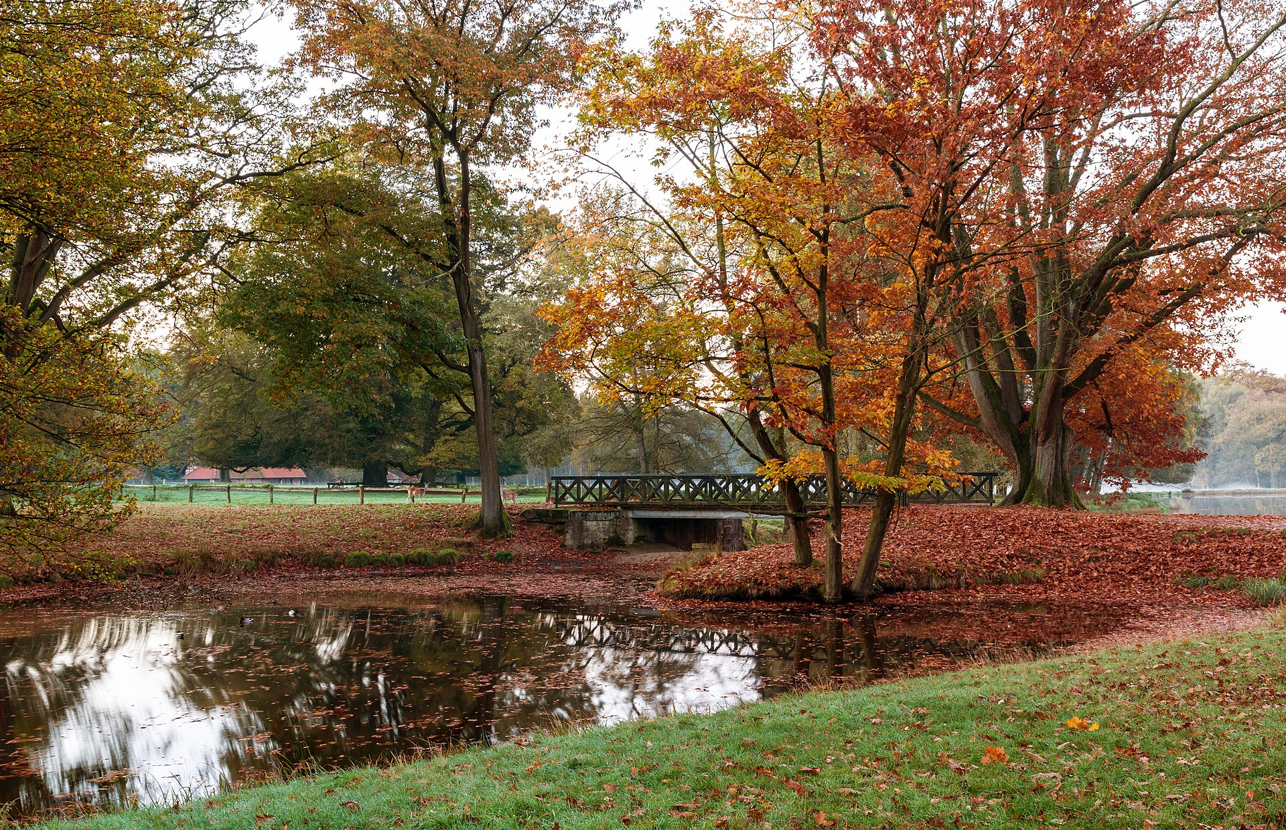
 | Total
Boomers | 79750168
G.I. Generation | 28519510
Generation X | 99996594
Generation Z | 37678558
Millenials | 111331886
Silent | 111948324
 | Total
female | 318.98
male | 605.78
female | 15.62
male | 163.52
female | 706.05
male | 3188.54
female | 239.41
male | 736.8
female | 276.35
male | 1320.17
female | 956.6
male | 3720.81
female | 1971.65
male | 7104.58
female | 98.35
male | 257.89
female | 49.63
male | 294.65
female | 109.84
male | 357.4
female | 140.24
male | 750.89
female | 1183.67
male | 6647.46
female | 1937.6
male | 5962.9
female | 244.88
male | 1848.61
female | 22.02
male | 88.79
female | 394.84
male | 1779.88
female | 1755.16
male | 5260.92
female | 15.92
male | 117.92
female | 889.69
male | 3449.03
female | 531.07
male | 3390.57
female | 332.78
male | 1676.61
female | 310.11
male | 2243.61
female | 1276.1
male | 4706.74
female | 1490.59
male | 4621.36
female | 102.79
male | 483.47
...
 | Total
Boomers | 2284498
G.I. Generation | 510009
Generation X | 1532804
Generation Z | 15906
Millenials | 623459
Silent | 1781744

 | Total
1985 | 116063
1986 | 120670
1987 | 126842
1988 | 121026
1989 | 160244
1990 | 193361
1991 | 198020
1992 | 211473
1993 | 221565
1994 | 232063
1995 | 243544
1996 | 246725
1997 | 240745
1998 | 249591
1999 | 256119
2000 | 255832
2001 | 250652
2002 | 256095
2003 | 256079
2004 | 240861
2005 | 234375
2006 | 233361
2007 | 233408
2008 | 235447
2009 | 243487
2010 | 238702
2011 | 236484
2012 | 230160
2013 | 223199
2014 | 222984
2015 | 203640
2016 | 15603
 | Total
15-24 years | 808542
25-34 years | 1123912
35-54 years | 2452141
5-14 years | 52264
55-74 years | 1658443
75+ years | 653118
 | Total
Albania | 1970
Antigua and Barbuda | 11
Argentina | 82219
Armenia | 1905
Aruba | 101
Australia | 70111
Austria | 50073
Azerbaijan | 1656
Bahamas | 93
Bahrain | 463
Barbados | 177
Belarus | 59892
Belgium | 62761
Belize | 348
Bosnia and Herzegovina | 318
Brazil | 226613
Bulgaria | 36388
Cabo Verde | 42
Canada | 107561
Chile | 40895
Colombia | 53080
Costa Rica | 6792
Croatia | 18429
Cuba | 41418
Cyprus | 412
Czech Republic | 43687
Denmark | 15297
Dominica | 0
Ecuador | 20660
El Salvador | 11683
Estonia | 7034
Fiji | 304
Finland | 33677
France | 329127
Georgia | 3224
Germany | 291262
Greece | 12368
Grenada | 38
Guatemala | 8149
Guyana | 3426
Hungary | 73891
Iceland | 1108
Ireland | 12574
Israel | 11294
Italy | 132060
Jamaica | 184
Japan | 806902
Kazakhstan | 101546
Kiribati | 53
Kuwait | 966
...

